Convert DD Usage to Coralogix
DD Usage |  |  |  |  |  |   |  | 

Infra Hosts | Custom Metrics | Indexed Logs - Live & Rehydrated (Million) | Indexed Logs - 3 Day Retention (Million) | Rum Sessions | Serverless Invocation
170 | 11076
Ingested Spans (GB) | Indexed Spans (Million) | Ingested Logs (Live & Rehydrated) (GB) | Indexed Logs - 7 Day Retention (Million) | Analyzed Logs - (Security) - 15m retention (GB) | Fargate Tasks
4,340 | 89 | 7,270 | 1,890
APM Hosts | Profiled Hosts | Containers | Profiled Containers | Custom Events | Serverless Workload Functions
172 |  | 3163 |  | 139 | 842
Error Tracking Events | APM Fargate Tasks | Profiled Fargate Tasks
0 | 0 | 0
 |  |  |  |  |  | Convert Hourly
Coralogix Sizing |  |  |  |  |  |  | Hourly | Hosts
 |  |  |  |  |  | Infra Hosts | 111,000 | 170 | Enter Hourly Infra Hosts
Logs |  |  |  | Logs |  | Containers | 2,070,000 | 3163 | Enter Hourly Containers
Total Ingested Logs | 7,270 | GB/month |  | 61.98% | Current indexed percentage | Profiled Containers |  | 0 | Enter Hourly Profiled Containers
Avg log size | 2.50 | KB |  | 242 | Total GB Logs / Day | APM Hosts | 102,000 | 156 | Enter Hourly APM Hosts
Total Indexed Logs | 1,890,000,000 | Logs/month |  | 121 | GB / Day (FS) / 50% | Profiled Hosts |  | 0 | Enter Hourly Profiled Hosts
Total Indexed Logs Size (Bytes) | 4,838,400,000,000 | Bytes/month |  | 97 | GB / Day (Mon) / 40% | Network hosts | 10,400 | 16 | Enter Hourly Network hosts
Total Indexed Logs Size (GB) | 4506.11 | GB/month |  | 24 | GB/ Day (Comp) / 10% | Custom Metric Hours | 7,250,000 | 11076 | Enter Hourly Custom Metrics
Total Indexed (GB) | 150.20 | GB / Day
 |  |  |  | Metrics |  |  | Monthly | Daily
Metrics |  |  |  | 2,639,266 | TS (NumSeries) | Serverless Workload Functions |  | 0 | Enter Monthly Serverless Workload Functions
Hosts | 341 |  |  | 2639 | GB / Day | RUM Sessions | 14,500 | 477 | Enter Monthly RUM Sessions
Containers | 3,163 |  |  | 0.000033 | TS to Units | Serverless Invocations |  | 0 | Enter Monthly Serverless Invocations
Serverless Workload Functions | 253 | TS (NumSeries) |  |  |  | Custom Events | 4240 | 139
Serverless Invocation | 0 | TS (NumSeries) | 3 metric labels × 10% unique dimensions × daily invocations | 87 | Metrics Units / Day
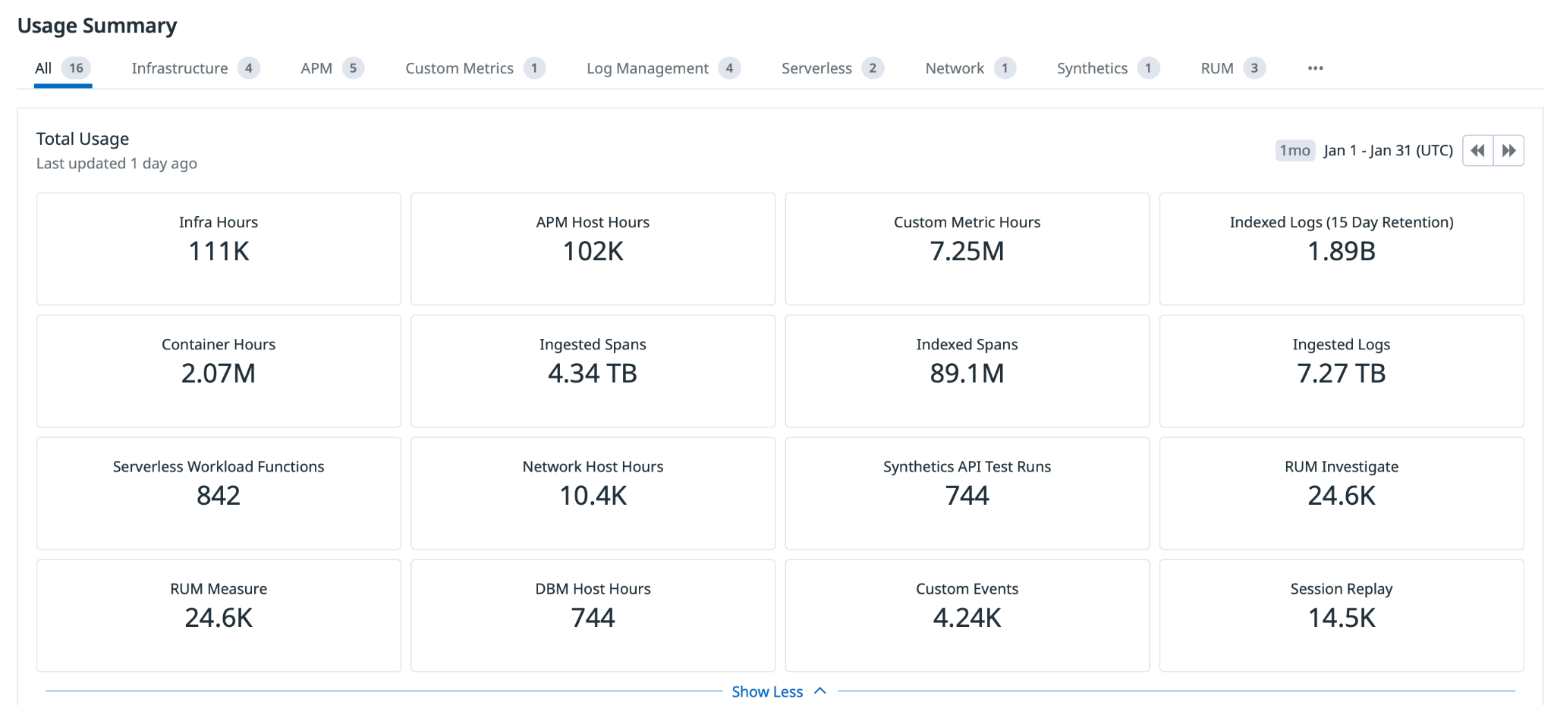
AVG 750 time series per node | 2,627,938 | TS (NumSeries)
Custom Metrics | 11,076 | TS (NumSeries) |  | Tracing
Promethues Metrics |  | NumSeries |  | 2.94% | Current indexed percentage
 |  |  |  | 145 | Total GB / Day (Ingest)
Tracing |  |  |  | 4 | Indexed Tracing GB/Day
Avg span size | 2 | KB |  | 140 | GB Traces Archive
Ingested spans | 4,340 | GB/Month |  | 4 | GB Traces Indexed
Indexed spans | 127 | GB/Month
Daily Ingested spans (Bytes) | 145 | GB/Month |  | Totals
 |  |  |  | Logs (GB) | 242
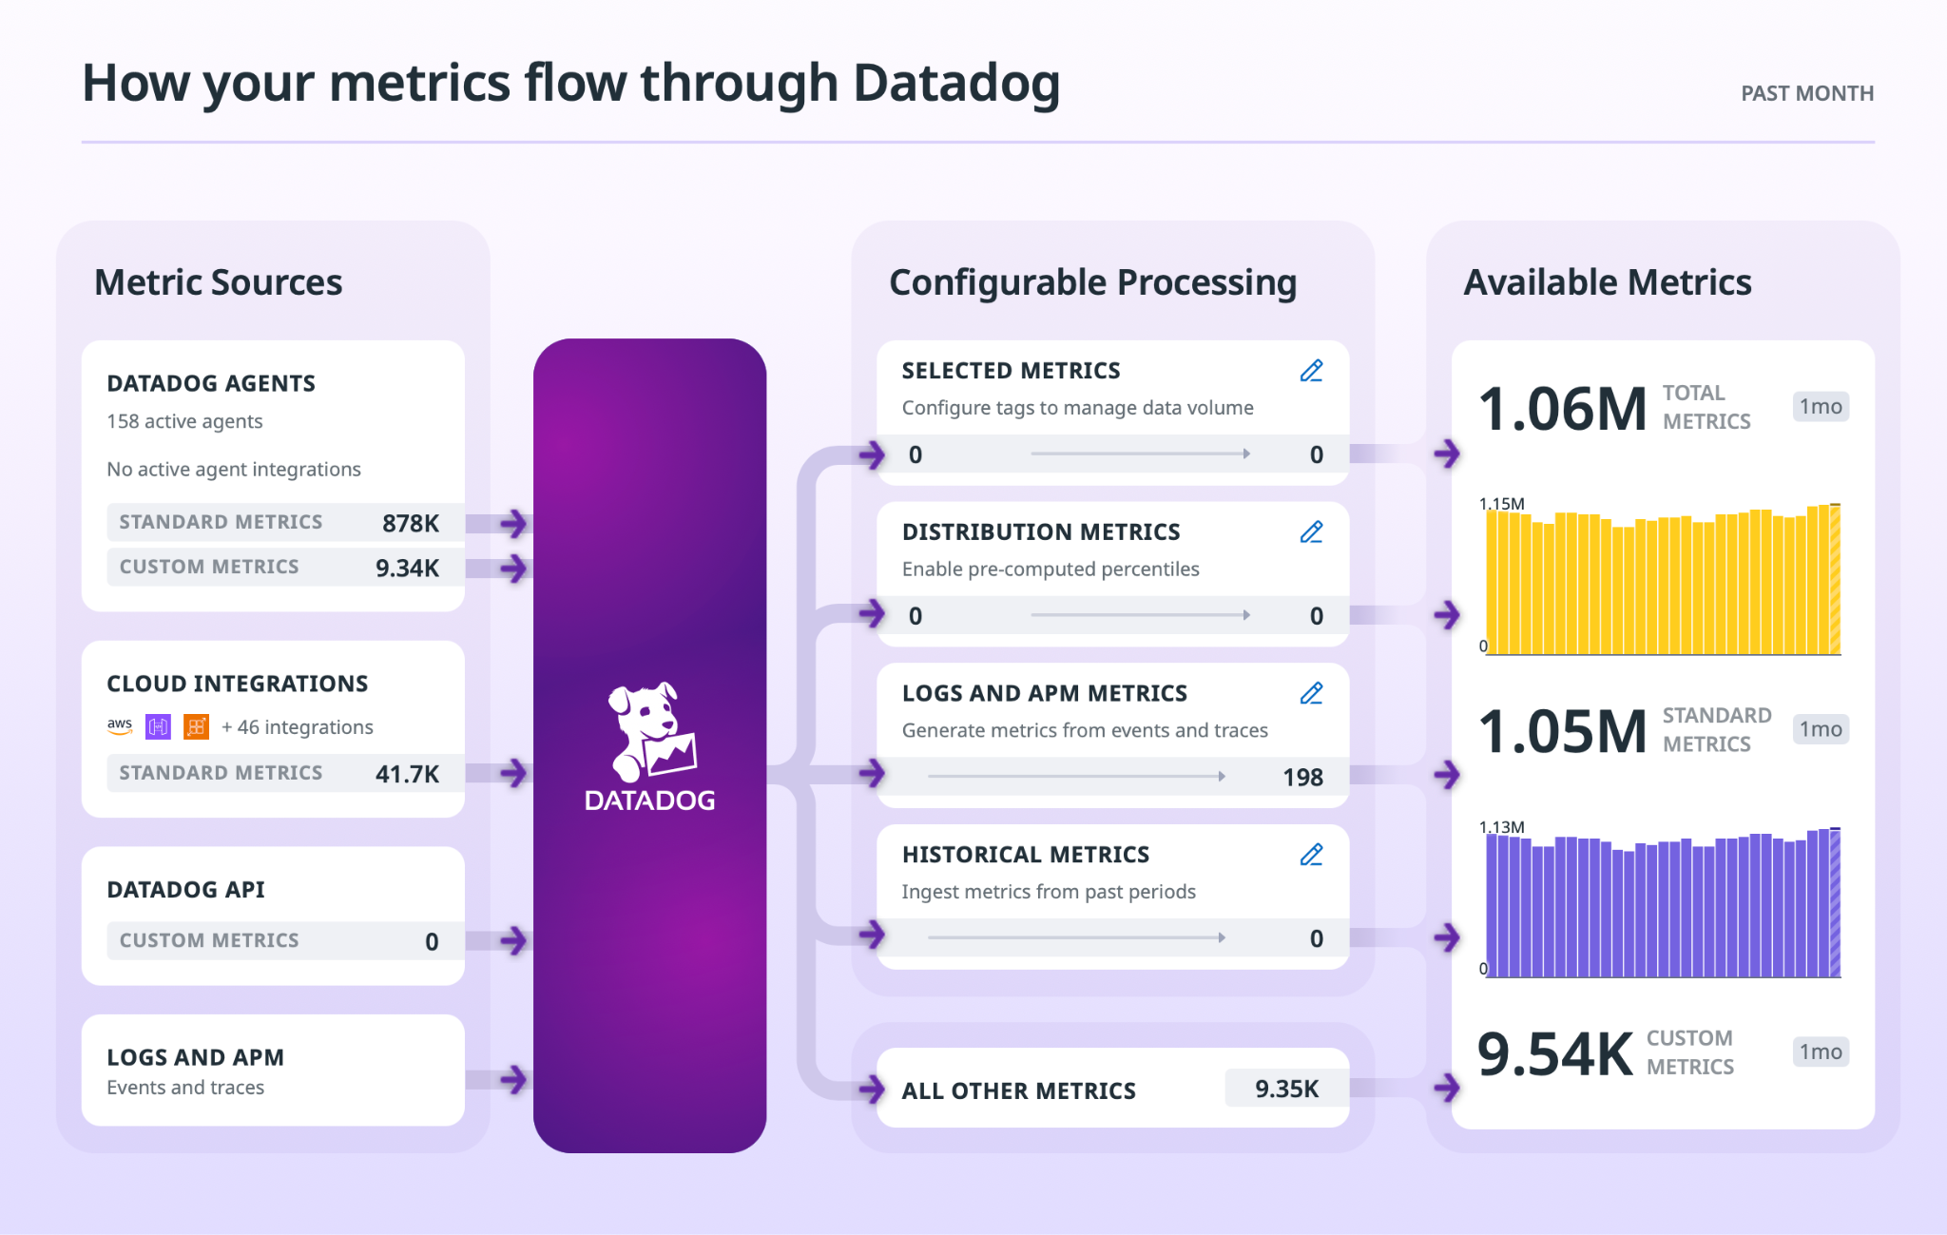
 |  |  |  | Metrics (NS) | 1,150,000
 |  |  |  | Tracing (GB) | 145
 |  |  |  | RUM Sessions
 |  |  |  | RUM Errors | 0

 |  |  |  | Apply this information to the TCO Calculator

